About
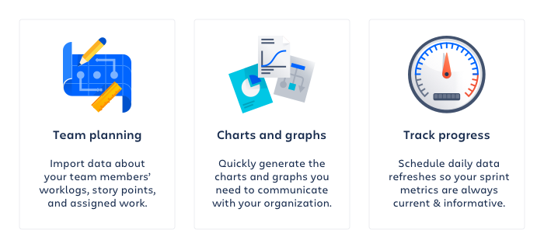

Created on: | 26.07.13
Jira Site: | https://calsaws-portal-mobile-jira.atlassian.net
Jira Enhancement Query: | project in (BenefitsCal-UAT, "CalSAWS Statewide Portal/Mobile") AND "Targeted Release[Dropdown]" = "Release 26.07.30" AND issuetype in (Defect, Enhancement) AND "Release Notes Published[Dropdown]" = Yes ORDER BY key ASC

